Front page
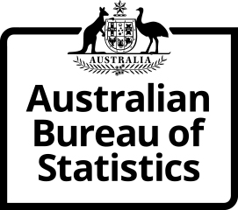



SURVEY OF EDUCATION AND WORK (SEW)

 | ,
May 2022
HOUSEHOLD SURVEY QUESTIONNAIRE

© Commonwealth of Australia 2022 This instrument is copyright under a Creative Commons copyright licence for Attribution – Non Commercial – No Derivative Works. To view a copy of this license, visit Creative commons license website.

