Contents
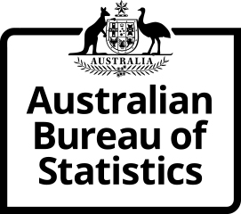
Time Series Workbook

6226.0.00.001 Microdata and TableBuilder: Participation, Job Search and Mobility
Table 1. Populations
Released at 11:30 am (Canberra time) Tue 29 July 2025

Contents
Tables
1.1 | Table 1.1 - Populations by age, February 2025
1.2 | Table 1.2 - Populations by state and territory, February 2025
Index | Time Series Index

More information available from the ABS website

Microdata and TableBuilder: Participation, Job Search and Mobility
Summary
Methodology

I N Q U I R I E S
For further information about these and related statistics visit www.abs.gov.au/about/contact-us
or contact the Labour Surveys Branch at labour.statistics@abs.gov.au.

© Commonwealth of Australia 2025

