Contents
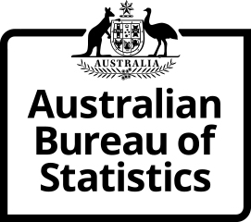
Time Series Workbook

6226.0 Participation, Job Search and Mobility, Australia
Table 21. Populations by state or territory of usual residence
Released at 11:30 am (Canberra time) Wed 7 Jul 2021

Contents
Tables
21.1 | Table 21.1 - February 2021
21.2 | Table 21.2 - Time Series IDs
Index | Time Series Index

More information available from the ABS website

Participation, Job Search and Mobility, Australia, February 2021
Summary
Methodology

I N Q U I R I E S
For further information about these and related statistics visit www.abs.gov.au/about/contact-us
or contact the Labour Surveys Branch at labour.statistics@abs.gov.au.

© Commonwealth of Australia 2021

