Cover
Gold Coast - Tweed Heads (3006) 1405 sq Kms

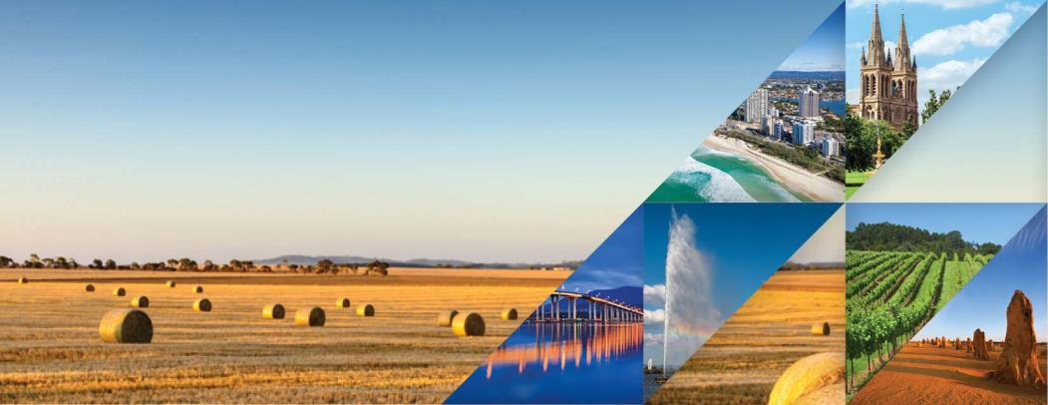

2016 Census of Population and Housing

General Community Profile

Catalogue number 2001.0

 | © Copyright 2017

