Cover
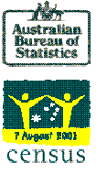

Point Cook (SSC 22266)

9.3 sq. Kms

Catalogue No. 2001.0



 | Basic
 | Community
 | Profile

Based on place of enumeration

Available for all Census geographic areas from Collection District level to total Australia

INQUIRIES: Data tailored to your specific needs, not provided in these standard tables, are available from the ABS Information Consultancy unit in your State or Territory

Definitions of Census classifications and concepts are available in the 2001 Census Dictionary (ABS Catalogue No. 2901.0)

© Commonwealth of Australia 2002

